foam snow sled
SKU | Product | 产品链接 | Product-size | Quantity/Ctn | Carton Size (inch) | Quantity | Picture

SLCG02 | Foam Snow Sled for Kids | https://www.amazon.com/dp/B09CCZY5QR | 21 inch | 20 PCS | 24" X 24" X 24" | 1700 | 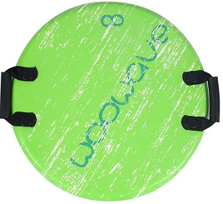
SLCB02 | Foam Snow Sled for Kids | https://www.amazon.com/dp/B09CD1Y32F | 21 inch | 20 PCS | 24" X 24" X 24" | 2280 | 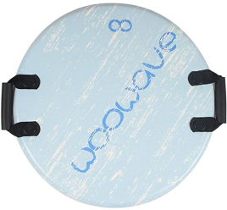
SSDR-R | Foam Snow Sled for Kids | https://www.amazon.com/dp/B09CGKHND3 | 21 inch | 20 PCS | 24" X 24" X 24" | 4440 | 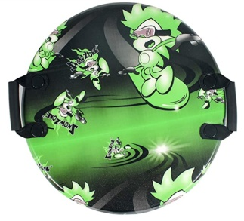
 |  |  |  |  |  | 8420

